Energy Conversions Tab 能量转换页
General Instructions:

1. In order to make calculations, only cells in yellow have to be filled with your data
2. For creating an energy baseline fom volume or mass state fuel:
 | Option1: Insert your heat value obtained from invoices, these tend to vary each month, consider it for column O. You can use Table 1.1 for converting HV to TJ/M3 or TJ/Ton
 | Option 2: Write the heat value and density (only for volume) from CDP tables, consider it for column V
 | For any option write your monthly consumption and the unit in which you obtain/procure this fuel
 | Results can be found un column U and V

3. For converting your consumption of any energy carrier bill into MWh, use Table 1.3.
 | Select the energy unit and write the amount
 | Results can be found on column J
4. For using any conversion of international system, use Table 2.
 | Select the initial prefix and write the amount
 | Results can be found on column D and K
5. For more guidelines on energy calculations you can use the attachments below Table 2

Table 1. Energy conversions |  |  |  |  | Table 3. Energy conversions: From volume
For obtaining Heat Value and Density in the correct unit & conversions for energy carriers |  |  |  |  | How do you procure/obtain this energy? |  | m3
 |  |  |  |  |  |  |  | Write Heat Value in TJ/GG | 0.00 | Option 1: Use HV from invoice in TJ/M3, this has monthly variations change in column P
Table 1.1 For Heat Value |  |  |  |  |  |  |  | Write Density (kg/m3) | 0 | Option 2: Use HV from tables, density will be needed, according to location in can be LHV or HHV
 |  |  |  |  | Timeline | Consumption | HV in TJ/M3 | MWh for Opt 1/ MWh 选项1 | MWh for Opt 2/ MWh 选项2
Energy Unit | Mass/Volume Unit | Amount to convert | Converted amount |  | Month 1/第 1 个月 |  |  | 0.00 | 0.00
 |  |  | Volume | Mass | Month 2/第 2 个月 |  |  | 0.00 | 0.00
 |  |  | TJ/M3 | TJ/Ton | Month 3/第 3 个月 |  |  | 0.00 | 0.00
Btu | g |  | 0.00 | 0.00 | Month 4/第 4 个月 |  |  | 0.00 | 0.00
J | g |  | 0.00 | 0.00 | Month 5/第 5 个月 |  |  | 0.00 | 0.00
Cal | galUK |  | 0.00 | 0.00 | Month 6/第 6 个月 |  |  | 0.00 | 0.00
Tce | m3 |  | 0.00 | 0.00 | Month 7/第 7 个月 |  |  | 0.00 | 0.00
Toe | tonne |  | 0.00 | 0.00 | Month 8/第 8 个月 |  |  | 0.00 | 0.00
 |  |  |  |  | Month 9/第 9 个月 |  |  | 0.00 | 0.00
 |  |  |  |  | Month 10/第 10 个月 |  |  | 0.00 | 0.00
Table 1.2 For Density |  |  |  |  | Month 11/第 11 个月 |  |  | 0.00 | 0.00
 |  |  |  |  | Month 12/第 12 个月 |  |  | 0.00 | 0.00
Mass Unit | Volume Unit |  | Amount to convert | Converted amount | Grand total/累计 | 0.00 |  | 0.00 | 0.00

kg | m3 |  |  | 0.00
lb | ft3 |  |  | 0.00 | Table 4. Energy conversions: From mass
 |  |  |  |  | How do you procure/obtain this energy? |  | tonne
 |  |  |  |  |  |  |  | Write Heat Value in TJ/GG | 0.00 | Option 1: Use HV from invoice in TJ/M3, this has monthly variations change in column P
Table 1.3 For Energy Carriers |  |  |  |  |  |  |  | No density needed for this conversion |  | Option 2: Use HV from tables, density will be needed, according to location in can be LHV or HHV
 |  |  |  |  | Timeline | Consumption | HV in TJ/Ton | MWh for Opt 1/ MWh 选项1 | MWh for Opt 2/ MWh 选项2
 |  |  |  |  | Month 1/第 1 个月 |  |  | 0.00 | 0.00
Energy Carrier | Energy Unit |  | Amount to convert | Converted amount | Month 2/第 2 个月 |  |  | 0.00 | 0.00
 |  |  |  | MWh | Month 3/第 3 个月 |  |  | 0.00 | 0.00
Electricity/电力 | GJ |  |  | 0 | Month 4/第 4 个月 |  |  | 0.00 | 0.00
Electricity/电力 | btu/hr |  |  | 0 | Month 5/第 5 个月 |  |  | 0.00 | 0.00
Electricity/电力 | GJ |  |  | 0 | Month 6/第 6 个月 |  |  | 0.00 | 0.00
Electricity/电力 | GJ |  |  | 0 | Month 7/第 7 个月 |  |  | 0.00 | 0.00
Fuels/燃料 | HP/hr |  |  | 0 | Month 8/第 8 个月 |  |  | 0.00 | 0.00
Fuels/燃料 | btu |  |  | 0 | Month 9/第 9 个月 |  |  | 0.00 | 0.00
Fuels/燃料 | GJ |  |  | 0 | Month 10/第 10 个月 |  |  | 0.00 | 0.00
Fuels/燃料 | TOR |  |  | 0 | Month 11/第 11 个月 |  |  | 0.00 | 0.00
Fuels/燃料 | GJ |  |  | 0 | Month 12/第 12 个月 |  |  | 0.00 | 0.00
 |  |  |  |  | Grand total/累计 | 0.00 | 0.000000 | 0.00 | 0.00

Table 2. International System |  |  |  |  | Examples of invoices for reference:
For obtaining any number into international system
In which prefix do you have your numbers? | Kilo |  | Amount to convert | 234,567.00
 |  |  |  |  | Americas invoice

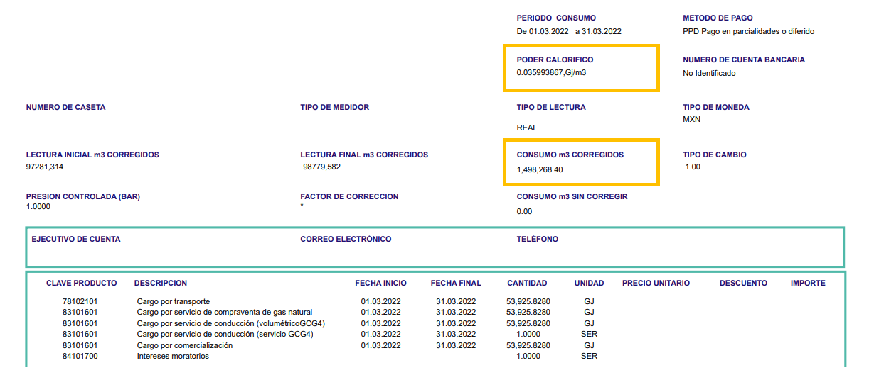
 |  |  | Without prefix | 2.35E+08
Deca | 2.3457E+07 |  | Deci | 2.35E+09
Hecto | 2.3457E+06 |  | Centi | 2.35E+10
Kilo | 2.3457E+05 |  | Mili | 2.35E+11
Mega | 2.3457E+02 |  | Micro | 2.3457E+14
Giga | 2.3457E-01 |  | Nano | 2.3457E+17
Tera | 2.3457E-04 |  | Pico | 2.3457E+20
Peta | 2.3457E-07 |  | Femto | 2.3457E+23

For Heat Value and Density, you can refer to:

For other conversions:

Unit converter – Analysis - IEA
Online Conversion - Energy Conversion

